000919-1025-001
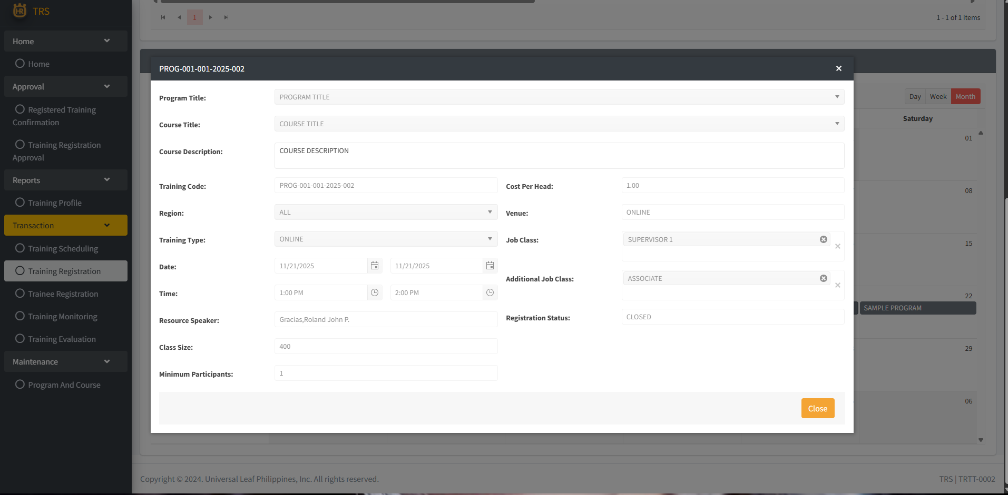
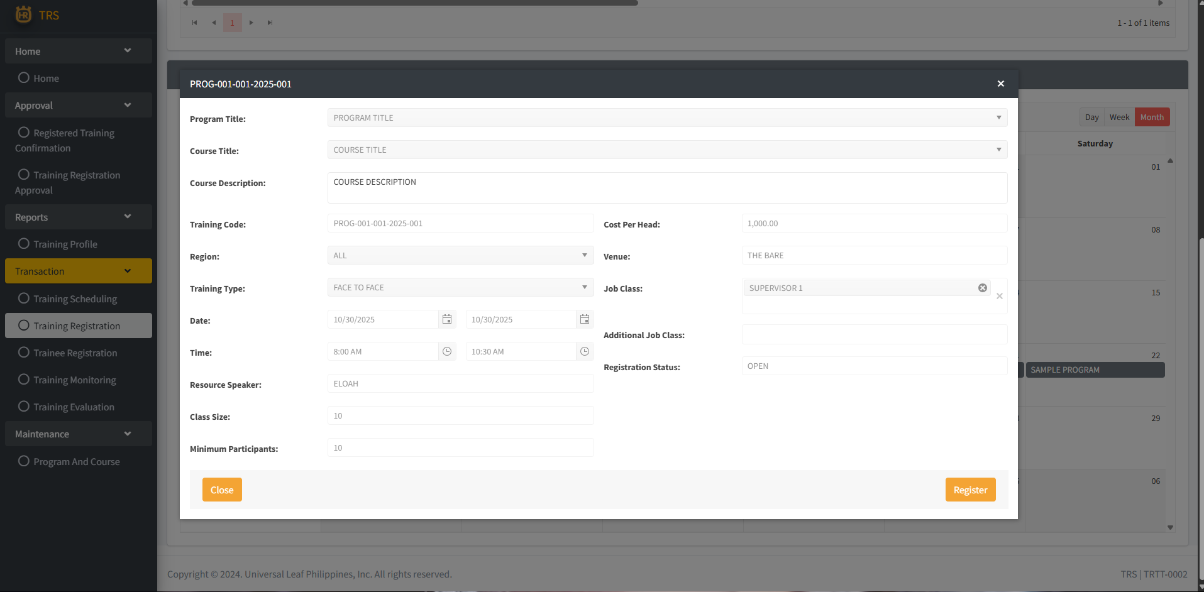
1. If a training schedule is already closed, remove the Register button, or do not allow registration.

